Arkusz1
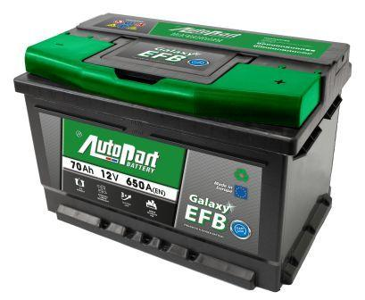
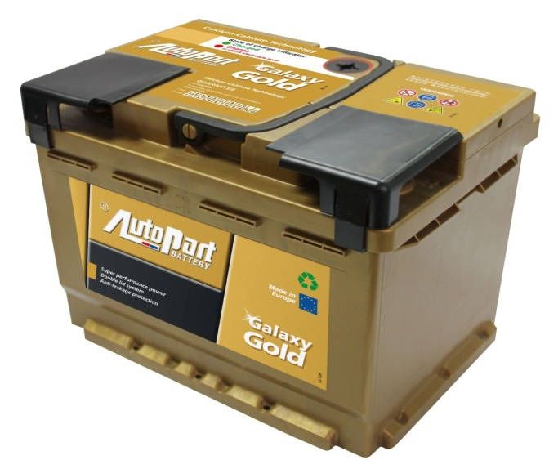
CENNIK DETALICZNY NA AKUMULATORY EFB i GOLD |  |  |  |  |  | ważny od 01-09-2018
Opis | Prąd rozruchu (A) | Dług. | Szer. | Wys. | SymKar | PD_SymKar_S | Cena netto detal | Cena brutto detal
Akumulatory 60Ah/12V GALAXY EFB Prawy START-STOP SB | 560 | 242 | 175 | 175 | ARL060-280 | ARL060E-60-15B | 392.68 | 483.00
Akumulatory 62Ah/12V GALAXY EFB Prawy START-STOP | 580 | 242 | 175 | 190 | ARL062-280 | ARL062E-60-15C | 416.26 | 512.00
Akumulatory 70Ah/12V GALAXY EFB Prawy START-STOP SB | 630 | 278 | 175 | 175 | ARL070-380 | ARL070E-60-15B | 504.07 | 620.00
Akumulatory 72Ah/12V GALAXY EFB Prawy START-STOP | 720 | 278 | 175 | 190 | ARL072-380 | ARL072E-60-15C | 545.53 | 671.00
Akumulatory 80Ah/12V GALAXY EFB Prawy START-STOP SB | 730 | 315 | 175 | 175 | ARL080-480 | ARL080E-60-15B | 567.48 | 698.00
Akumulatory 82Ah/12V GALAXY EFB Prawy START-STOP | 800 | 315 | 175 | 190 | ARL082-480 | ARL082E-60-15C | 600.00 | 738.00
Akumulatory 95Ah/12V GALAXY EFB Prawy START-STOP SB | 850 | 353 | 175 | 175 | ARL095-580 | ARL095E-60-15B | 623.58 | 767.00
Akumulatory 100Ah/12V GALAXY EFB Prawy START-STOP | 900 | 353 | 175 | 190 | ARL100-580 | ARL100E-60-15C | 657.72 | 809.00

Akumulator 47Ah/12V GOLD Prawy SB | 480 | 207 | 175 | 175 | ARL047-160 | ARL047Z-60-12B | 283.74 | 349.00
Akumulator 52Ah/12V GOLD Prawy | 480 | 207 | 175 | 190 | ARL052-160 | ARL052Z-60-12C | 309.76 | 381.00
Akumulator 61Ah/12 V GOLD Prawy SB | 580 | 242 | 175 | 175 | ARL061-260 | ARL061Z-60-12B | 350.41 | 431.00
Akumulator 62Ah/12V GOLD Prawy | 600 | 242 | 175 | 190 | ARL062-260 | ARL062Z-60-12C | 376.42 | 463.00
Akumulator 77Ah/12V GOLD Prawy SB | 800 | 278 | 175 | 175 | ARL077-360 | ARL077Z-60-12B | 454.47 | 559.00
Akumulator 82Ah/12V GOLD Prawy | 850 | 278 | 175 | 190 | ARL082-360 | ARL082Z-60-12C | 490.24 | 603.00
Akumulator 100Ah/12V GOLD Prawy SB | 900 | 353 | 175 | 175 | ARL100-560 | ARL100Z-60-12B | 559.35 | 688.00
Akumulator 102Ah/12V GOLD Prawy | 950 | 353 | 175 | 190 | ARL102-560 | ARL102Z-60-12C | 591.06 | 727.00

